icotracker.net
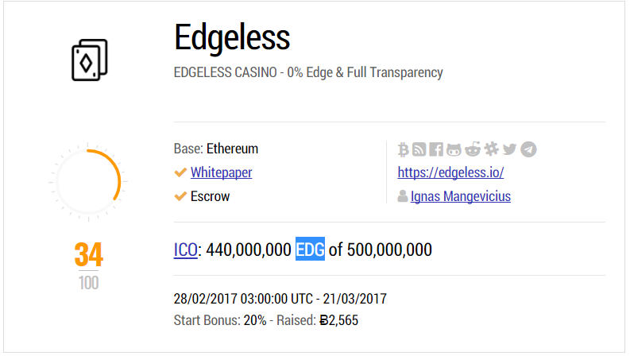
Information to Collect | Data Field | Exemplary Data Entry (Missing value: ~)
ICO listing |  | https://icotracker.net/current https://icotracker.net/upcoming https://icotracker.net/past
Name of ICO | Title | Edgeless
Scam alert for ICO | Scam | False or True (SCAM ALERT!)
Shore description of ICO | Description | EDGELESS CASINO - 0% Edge & Full Transparency
Basing platform | Base | Ethereum
Download the pdf version of the white paper | White Paper | https://github.com/EdgelessCasino/White_paper/blob/master/White_Paper.pdf
Does the ICO adopt an Escrow arrangement | Escrow | True (✓ Escrow) or False (X Escrow)
Official links | Bitcointalk | https://bitcointalk.org/index.php?topic=1718384.0
 | Blog | https://medium.com/edgeless
 | Facebook | https://www.facebook.com/EdgelessCasino/
 | GitHub | https://github.com/EdgelessCasino
 | Linkedin
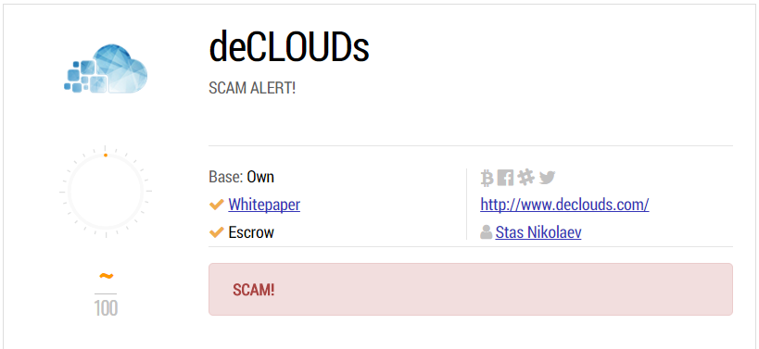
 | Reddit | https://reddit.com/r/edgeless
 | Slack | https://edgelessethcasino.signup.team/
 | Twitter | https://twitter.com/edgelessproject
 | Youtube
 | Telegram | https://t.me/joinchat/AAAAAEBTy7K9KXQcQsyozQ
Project homepage | Homepage | https://edgeless.io/
CEO profile | CEO | Ignas Mangevicius https://lt.linkedin.com/in/ignasmangevicius
ICO link | ICO | https://edgeless.io/crowdsale.php
ICO symbol | Token | EDG
ICO amount | Amount | 440,000,000
ICO market cap | Market Cap | 500,000,000
ICO launch date | Launch | 28/02/2017 03:00:00 UTC
ICO end date | End | 21/03/2017
ICO start bonus | Bonus | 20%
Raised bitcoins | Bitcoin | 2,565
CP Chart | CP | 34

coinmarketcap.com
Information to Collect | Data Field | Exemplary Data Entry
Summary for Crypto Coins |  | https://coinmarketcap.com/coins/views/all/
Link to the detail page of a coin |  | https://coinmarketcap.com/currencies/ethereum/
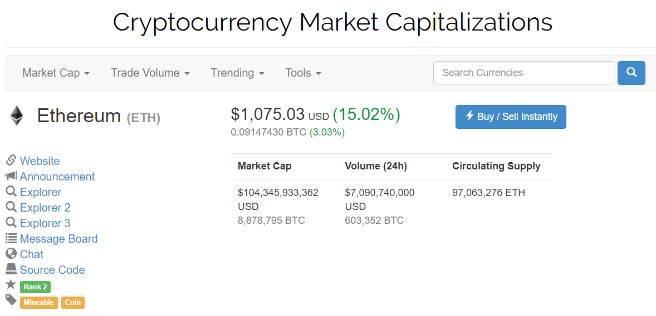
Detail page
 | Name | Ethereum
 | Token | ETH
Link to official website | Website, Website 2, ... | https://www.ethereum.org/
Link to initial announcement on Bitcoin Forum | Announcement | https://bitcointalk.org/index.php?topic=428589.0
Link to blockchain explorer | Explorer, Explorer 2, … | https://etherscan.io/
Link to community forum | Message Board | https://forum.ethereum.org/
Link to chat history | Chat | https://gitter.im/ethereum/home
Link to source code on GitHub | Source Code | https://github.com/ethereum
Ranking in cryptocurrency market | Rank | 2
Tags that are associated with the coin | Tags | Mineable Coin
Value of the intended total supply of coins | Market Cap | $103,550,737,357 USD 8,781,774 BTC
Total volume of trading in the past 24 hours | Volume (24h) | $7,242,470,000 USD 614,206 BTC
Total supply of coins that are currently circulating the market | Circulating Supply | 97,062,134 ETH
Social Tab
Twitter account | Tweets | ethereumproject
Link to subreddit | Links from ethereum.reddit.com | ethereum.reddit.com
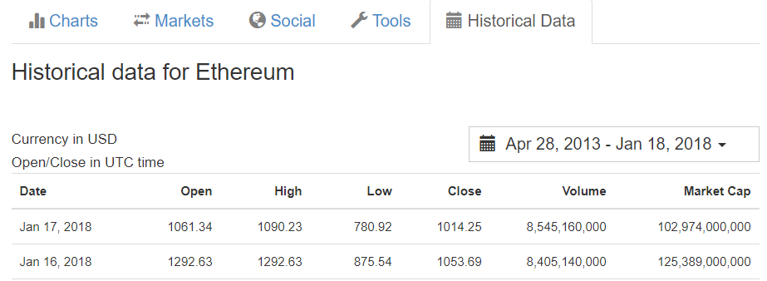
Historical Data Tab |  | https://coinmarketcap.com/currencies/ethereum/historical-data/?start=20130428&end=20180118
Timestamp of the price | Date | Jan 17, 2018
Opening price | Open | 1061.34
Highest price | High | 1090.23
Lowest price | Low | 780.92
Closing price | Close | 1014.25
Trading volume | Volume | 8,545,160,000
Value of the intended total supply of coins | Market Cap | 102,974,000,000

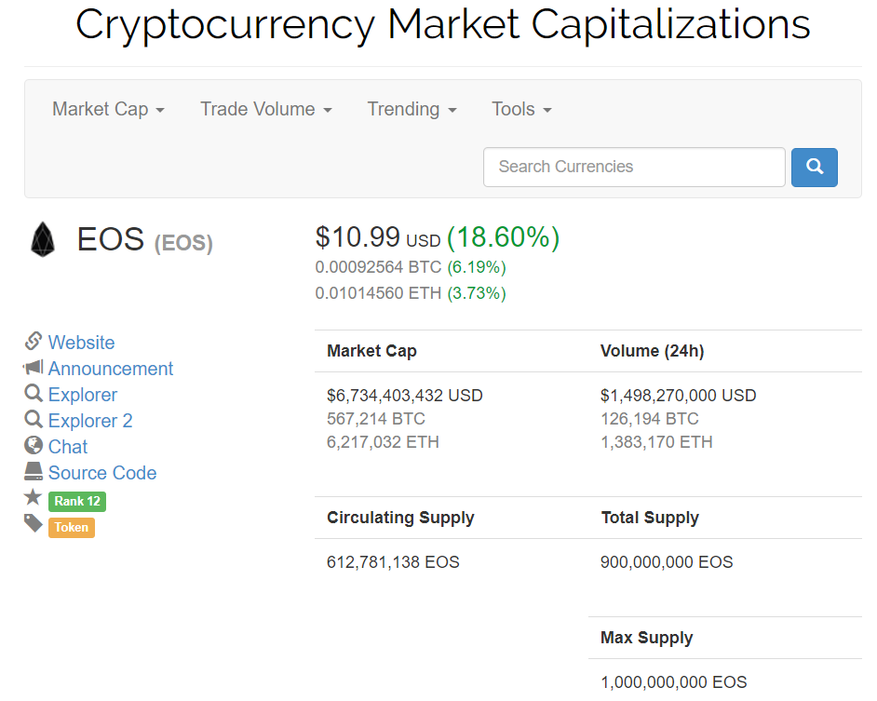
Summary for Crypto Tokens |  | https://coinmarketcap.com/tokens/views/all/
Link to the detail page of a token | EOS | https://coinmarketcap.com/currencies/eos/
Platform supporting the token | Platform | Ethereum
Detail page
Link to official website | Website, Website 2, ... | https://eos.io/
Link to initial announcement on Bitcoin Forum | Announcement | https://bitcointalk.org/index.php?topic=1904415.0
Link to blockchain explorer | Explorer, Explorer 2, … | https://etherscan.io/token/EOS
Link to community forum | Message Board
Link to chat history | Chat | https://t.me/joinchat/AAAAAEQbOeucnaMWN0A9dQ
Link to source code on GitHub | Source Code | https://github.com/eosio
Ranking in cryptocurrency market | Rank | 12
Tags that are associated with the crypto coin | Tags | Token
Value of the intended total supply of tokens | Market Cap | $6,734,403,432 USD 567,214 BTC 6,217,032 ETH
Total volume of trading in the past 24 hours | Volume (24h) | $1,498,270,000 USD 126,194 BTC 1,383,170 ETH
Total supply of tokens that are currently circulating the market | Circulating Supply | 612,781,138 EOS
Intended total supply of tokens | Total Supply | 900,000,000 EOS
Maximum supply of tokens | Max Supply | 1,000,000,000 EOS
Social Tab
Twitter account | Tweets | EOS_io
Link to subreddit | eos.reddit.com
Historical Data Tab |  | https://coinmarketcap.com/currencies/eos/historical-data/?start=20130428&end=20180118
Timestamp of the price | Date | Jan 17, 2018
Opening price | Open | 10.2
Highest price | High | 10.57
Lowest price | Low | 7.67
Closing price | Close | 10.19
Trading volume | Volume | 1,625,250,000
Value of the intended total supply of tokens | Market Cap | 6,209,050,000

etherscan.io block
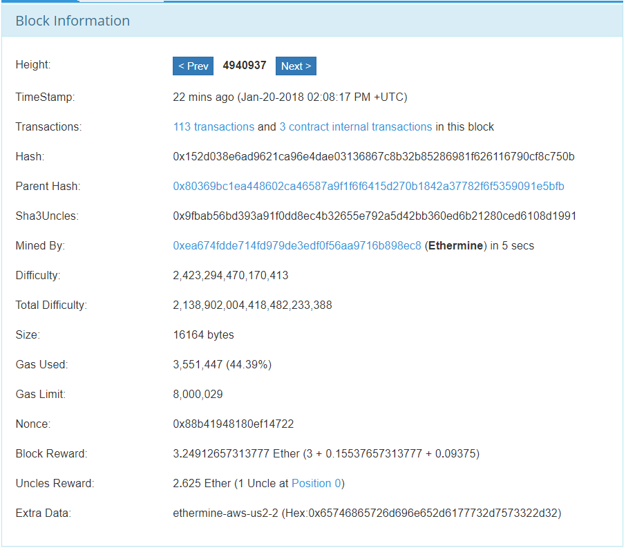
Information to Collect | Data Field | Exemplary Data Entry
Block link |  | https://etherscan.io/block/4940937 | Block height starts from 0
 | Height | 4940937
 | TimeStamp | Jan-20-2018 02:08:17 PM +UTC
Link to transactions | Transactions | https://etherscan.io/txs?block=4940937
Link to internal transactions evoked by smart contracts | Internal Transactions | https://etherscan.io/txsInternal?block=4940937
 | Hash | 0x152d038e6ad9621ca96e4dae03136867c8b32b85286981f626116790cf8c750b
 | Parent Hash | 0x80369bc1ea448602ca46587a9f1f6f6415d270b1842a37782f6f5359091e5bfb | Link to parent block: https://etherscan.io/block/0x80369bc1ea448602ca46587a9f1f6f6415d270b1842a37782f6f5359091e5bfb
Hash of uncle block | Sha3Uncles | 0x9fbab56bd393a91f0dd8ec4b32655e792a5d42bb360ed6b21280ced6108d1991
 | Miner | 0xea674fdde714fd979de3edf0f56aa9716b898ec8 | Link to miner: https://etherscan.io/address/0xea674fdde714fd979de3edf0f56aa9716b898ec8
 | Mining Time | 5 | 5 seconds
 | Difficulty | 2,423,294,470,170,410
 | Total Difficulty | 2.1389020044E+21
 | Size | 16164 | 16164 bytes
 | Gas Used | 3,551,447 | 44.39% of the gas limit
 | Gas Limit | 8,000,029
 | Nonce | 0x88b41948180ef14722
 | Block Reward | 3.2491265731
 | Static Block Reward | 3
 | Txn Fee | 0.15537657314
 | Uncle Inclusion Reward | 0.09375
 | Uncles Reward | 2.625
 | Uncle Count | 1
 | Uncle Position | 0 | There could be multiple positions
 | Uncle Link | https://etherscan.io/uncle/0x31705331f040b8997199643fea669ff2a1d39b2d44549b7f83d4f0ce9cdc82bf
 | Extra Data | ethermine-aws-us2-2 (Hex:0x65746865726d696e652d6177732d7573322d32)
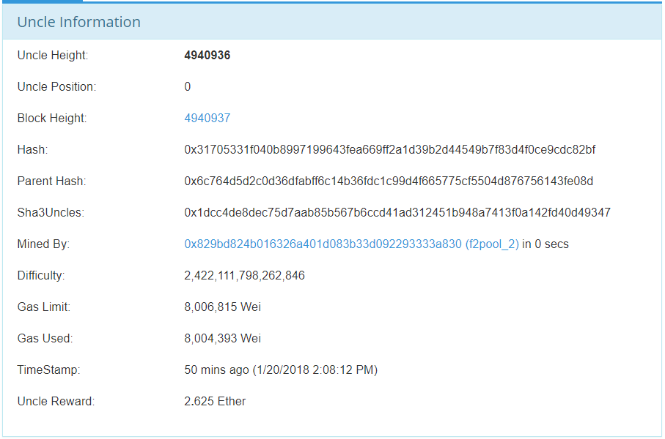
Uncle link |  | https://etherscan.io/uncle/0x31705331f040b8997199643fea669ff2a1d39b2d44549b7f83d4f0ce9cdc82bf | Uncle hash: 0x31705331f040b8997199643fea669ff2a1d39b2d44549b7f83d4f0ce9cdc82bf
 | Uncle Height | 4940936
 | Uncle Position | 0
 | Block Height | 4940937 | Block link: https://etherscan.io/block/4940937
 | Hash | 0x31705331f040b8997199643fea669ff2a1d39b2d44549b7f83d4f0ce9cdc82bf
 | Parent Hash | 0x6c764d5d2c0d36dfabff6c14b36fdc1c99d4f665775cf5504d876756143fe08d
 | Sha3Uncles | 0x1dcc4de8dec75d7aab85b567b6ccd41ad312451b948a7413f0a142fd40d49347
 | Miner | 0x829bd824b016326a401d083b33d092293333a830 | Link to miner: https://etherscan.io/address/0x829bd824b016326a401d083b33d092293333a830
 | Mining Time | 0
 | Difficulty | 2,422,111,798,262,840
 | Gas Used | 8,004,393
 | Gas Limit | 8,006,815
 | TimeStamp | 1/20/18
 | Uncle Reward | 2.625
Transaction listing |  | https://etherscan.io/txs?block=4940937 | Transactions in block with height 4940937
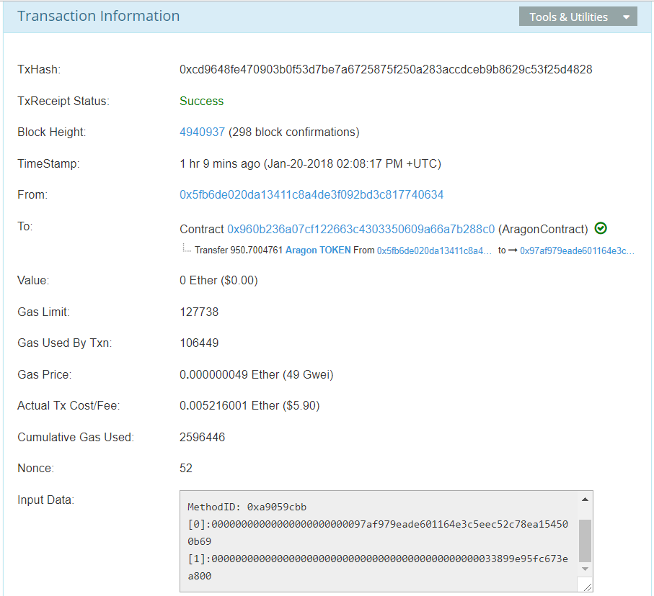
Transaction link |  | https://etherscan.io/tx/0xcd9648fe470903b0f53d7be7a6725875f250a283accdceb9b8629c53f25d4828
 | TxHash | 0xcd9648fe470903b0f53d7be7a6725875f250a283accdceb9b8629c53f25d4828
 | TxReceipt Status | Success | Success or Fail
 | Block Height | 4940937
 | Block Confirmations | 298
 | TimeStamp | Jan-20-2018 02:08:17 PM +UTC
Initiating address for transaction | From | 0x5fb6de020da13411c8a4de3f092bd3c817740634 | Link to address: https://etherscan.io/address/0x5fb6de020da13411c8a4de3f092bd3c817740634
Receiving address for transaction |  | 0x960b236a07cf122663c4303350609a66a7b288c0 | Link to address: https://etherscan.io/address/0x960b236a07cf122663c4303350609a66a7b288c0
 | Address Type | Contract | Contract or Address
 | Contract Execution | Completed | Completed, Created or Error: e.g., Warning! Error encountered during contract execution [Out of gas]
 | Value | 0 | 0 Ether
 | Gas Limit | 127738
 | Gas Used By Txn | 106449
 | Gas Price Ether | 0.000000049
 | Gas Price Gwei | 49
 | Txn Fee | 0.005216001 | 0.005216001 Ether
 | Cumulative Gas Used | 2596446
 | Nonce | 52
 | Input Data | Function: transfer(address _to, uint256 _value) *** MethodID: 0xa9059cbb [0]:00000000000000000000000097af979eade601164e3c5eec52c78ea154500b69 [1]:000000000000000000000000000000000000000000000033899e95fc673ea800 | "0x" if input data is empty
Address link |  | https://etherscan.io/address/0x5fb6de020da13411c8a4de3f092bd3c817740634
 | Address | 0x5Fb6dE020Da13411c8A4DE3F092bD3C817740634
 | ETH Balance | 63.681990566
 | Txn No | 78
List of token transfers |  | https://etherscan.io/tokentxns?a=0x5fb6de020da13411c8a4de3f092bd3c817740634
 | TxHash | 0x412837a5598947ced70c48e299e3f28facf9d9cbb3d5ed674ff7f26325708503 | Link to transaction: https://etherscan.io/tx/0x412837a5598947ced70c48e299e3f28facf9d9cbb3d5ed674ff7f26325708503
 | Age | Jan-20-2018 02:14:44 PM
 | From | 0x5fb6de020da13411c8a4de3f092bd3c817740634
 | To | 0xb2708d0edb58c8529ea644afdaf42f704d5e61e9 | Link to address: https://etherscan.io/address/0xb2708d0edb58c8529ea644afdaf42f704d5e61e9#tokentxns
 | Direction | OUT | OUT or IN
 | Value | 24,164.11
 | Token | district0x | Link to token: https://etherscan.io/token/0x0abdace70d3790235af448c88547603b945604ea?a=0x5fb6de020da13411c8a4de3f092bd3c817740634
Contract address link |  | https://etherscan.io/address/0x960b236a07cf122663c4303350609a66a7b288c0
 | ETH Balance | 0 | 0 Ether
 | Txn No | 112289
 | Token Tracker | Aragon | Link to token: https://etherscan.io/token/Aragon
 | Contract Creator | 0x7f478213dd4a4df6016922aa47b860f0bdf50075 | Link to creator address: https://etherscan.io/address/0x7f478213dd4a4df6016922aa47b860f0bdf50075
 | Creating Txn | 0x99b299fc023a10779fb67bbbd13630acb7b07d0efd37a51e8f52d6ce2d9d0679 | Link to creating transaction: https://etherscan.io/tx/0x99b299fc023a10779fb67bbbd13630acb7b07d0efd37a51e8f52d6ce2d9d0679
Contract reader link |  | https://etherscan.io/readContract?a=0x960b236a07cf122663c4303350609a66a7b288c0 | a: contract address
 | Function | Name: tokenGrantsCount Paras: _holder (address) Return: index (uint256) | E.g., tokenGrantsCount(_holder (address)): index (uint256) grants(<input> (address), <input> (uint256)): granter (address), value (uint256), cliff (uint64), vesting (uint64), start (uint64)
 | Variable | Name: totalSupply Value: 3711733 (uint256) | E.g., creationBlock -> 3711733 (uint256)
Contract Internal Transactions |  | https://etherscan.io/txsInternal?a=0x960b236a07cf122663c4303350609a66a7b288c0&p=1 | a: contract address p: page number
 | Block | 4869890 | Link to block: https://etherscan.io/block/4869890
 | Age | Jan-07-2018 04:32:56 PM
 | Error | TRUE | True: Error occurred during contract Execution False: Check
 | ParentTxHash | 0xa3a86046fa04762b24caa15c7e64c4385b805b2c3a94d2ac19347563936f006d | Link to transaction: https://etherscan.io/tx/0xa3a86046fa04762b24caa15c7e64c4385b805b2c3a94d2ac19347563936f006d
 | Type | call
 | From | 0x960b236a07cf122663c4303350609a66a7b288c0 | Link to initiating (contract) address: https://etherscan.io/address/0x960b236a07cf122663c4303350609a66a7b288c0
 | To | 0xd39902f046b5885d70e9e66594b65f84d4d1c952 | Link to receiving address: https://etherscan.io/address/0xd39902f046b5885d70e9e66594b65f84d4d1c952
 | Value | 0.7 | 0.7 Ether

etherscan.io token
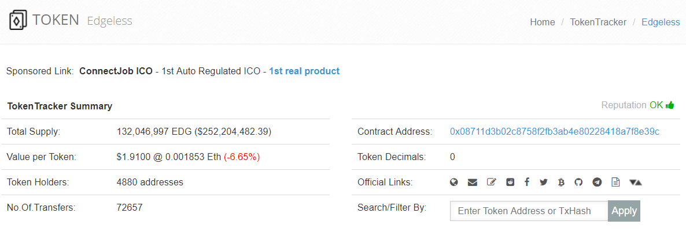
Information to Collect | Data Field | Exemplary Data Entry | Comment
Token listing |  | https://etherscan.io/tokens
Detail page of token |  | https://etherscan.io/token/Edgeless
Name of token | Name | Edgeless
TokenTracker Summary
Token symbol | Symbol | EDG
Total supply of the token | Total Suppy | 132,046,997
USD value of total supply | Total USD | 252,204,482.39
Number of token holders | Holders | 4880
Number of token transfers | Transfers | 72657
Contract Address | Contract Address | 0x08711d3b02c8758f2fb3ab4e80228418a7f8e39c | Link to detail page: https://etherscan.io/address/0x08711d3b02c8758f2fb3ab4e80228418a7f8e39c
Token decimals | Token Decimals | 0
Official links | Homepage | https://edgeless.io/
 | Email | support@edgeless.io
 | Blog | https://medium.com/Edgeless
 | Reddit | https://reddit.com/r/edgeless
 | Facebook | https://www.facebook.com/EdgelessCasino/
 | Twitter | https://twitter.com/lend0it
 | Bitcointalk | https://bitcointalk.org/index.php?topic=1718384.0
 | GitHub | https://github.com/EdgelessCasino
 | Telegram | https://t.me/joinchat/AAAAAEBTy7K9KXQcQsyozQ
 | White Paper | https://github.com/EdgelessCasino/White_paper/blob/master/White_Paper.pdf
 | CoinMarketCap | https://coinmarketcap.com/currencies/edgeless/
Reputation of the token | Reputation | UNKNOWN or NEUTRAL or OK or SUSPICIOUS or UNSAFE
Token Transfers Tab |  | https://etherscan.io/token/generic-tokentxns2?contractAddress=0x08711d3b02c8758f2fb3ab4e80228418a7f8e39c&mode=&p=1 | contractAddress: Contract Address mode: leave to blank p: page number
Link to detail page of transaction |  | https://etherscan.io/tx/0xe4a68de0e62cce103149dbf28a0d0bf0dd40877e2f91d5a60fa1773e4c18e727
Hash code of transaction | TxHash | 0xe4a68de0e62cce103149dbf28a0d0bf0dd40877e2f91d5a60fa1773e4c18e727
 | TxReceipt Status | Success
 | Block Height | 4940685 | Link to block: https://etherscan.io/block/4940685
 | Block Confirmations | 131
 | TimeStamp | Jan-20-2018 01:13:08 PM +UTC
Initiating address for transaction | From | 0x28c575d32daf3b8d8b85a73390971cc969d570f6 | Link to address: https://etherscan.io/address/0x28c575d32daf3b8d8b85a73390971cc969d570f6
Receiving address for transaction | To | 0x08711d3b02c8758f2fb3ab4e80228418a7f8e39c

blockchain.info
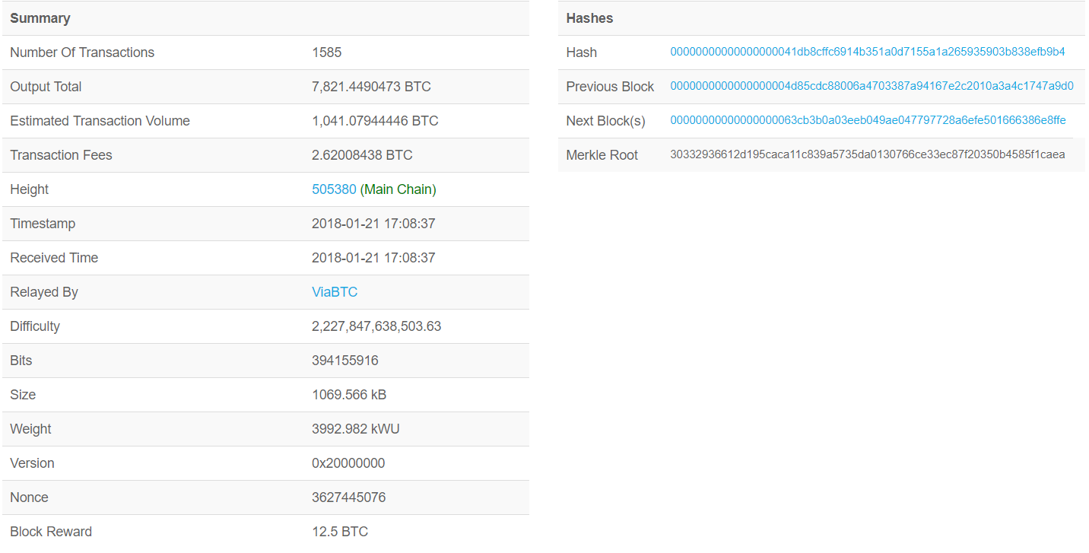
Information to Collect | Data Field | Exemplary Data Entry | Comment
Block listing |  | https://blockchain.info/
Detail page of block |  | https://blockchain.info/block-height/505380
 | Txn No | 1585
 | Output Total | 7,821.45 | 7,821.4490473 BTC
 | Estimated Txn Volume | 1,041 | 1,041.07944446 BTC
 | Txn Fees | 2.62 | 2.62008438 BTC
 | Height | 505380
 | Chain Type | Main Chain
 | imestamp | 2018-01-21 17:08:37
 | Received Time | 2018-01-21 17:08:37
 | Relayed By | ViaBTC | Link to mining pool: https://blockchain.info/blocks/ViaBTC
 | Difficulty | 2,227,847,638,503.63
 | Bits | 394,155,916.00
 | Size | 1,069.57 | 1069.566 kB
 | Weight | 3,992.98 | 3992.982 kWU
 | Version | 0x20000000
 | Nonce | 3,627,445,076.00
 | Block Reward | 12.50 | 12.5 BTC
 | Hash | 00000000000000000041db8cffc6914b351a0d7155a1a265935903b838efb9b4 | Link to the current block: https://blockchain.info/block/00000000000000000041db8cffc6914b351a0d7155a1a265935903b838efb9b4
 | Previous Block | 0000000000000000004d85cdc88006a4703387a94167e2c2010a3a4c1747a9d0 | Link to previous block: https://blockchain.info/block/0000000000000000004d85cdc88006a4703387a94167e2c2010a3a4c1747a9d0
 | Next Block(s) | 00000000000000000063cb3b0a03eeb049ae047797728a6efe501666386e8ffe | Link to next block: https://blockchain.info/block/00000000000000000063cb3b0a03eeb049ae047797728a6efe501666386e8ffe
 | Merkle Root | 30332936612d195caca11c839a5735da0130766ce33ec87f20350b4585f1caea
Transaction listing
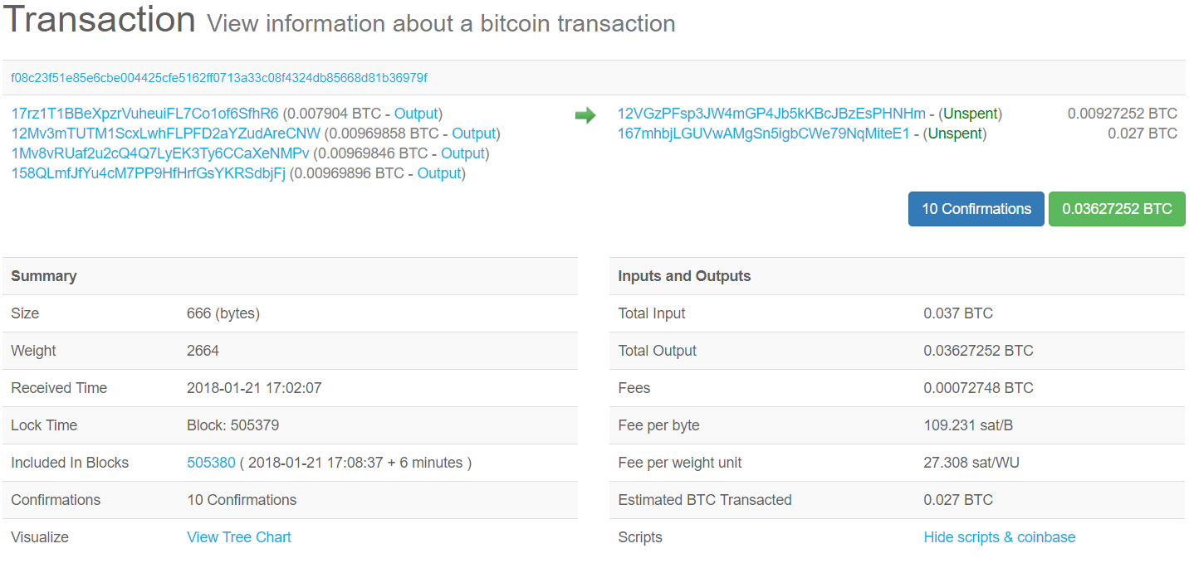
Detail page of transaction |  | https://blockchain.info/tx/f08c23f51e85e6cbe004425cfe5162ff0713a33c08f4324db85668d81b36979f?show_adv=true | show_adv: display detailed transactional information
 | Txn Hash | f08c23f51e85e6cbe004425cfe5162ff0713a33c08f4324db85668d81b36979f
Initiating addresses | Addresses | 17rz1T1BBeXpzrVuheuiFL7Co1of6SfhR6
 |  | 12Mv3mTUTM1ScxLwhFLPFD2aYZudAreCNW
 |  | 1Mv8vRUaf2u2cQ4Q7LyEK3Ty6CCaXeNMPv
 |  | 158QLmfJfYu4cM7PP9HfHrfGsYKRSdbjFj
 | Values | 0.007904 | 0.007904 BTC
 |  | 0.00969858 | 0.00969858 BTC
 |  | 0.00969846 | 0.00969846 BTC
 |  | 0.00969896 | 0.00969896 BTC
Receiving addresses | Addresses | 12VGzPFsp3JW4mGP4Jb5kKBcJBzEsPHNHm
 |  | 167mhbjLGUVwAMgSn5igbCWe79NqMiteE1
 | Values | 0.00927252 | 0.00927252 BTC
 |  | 0.027 | 0.027 BTC
Summary | Size | 666 | 666 bytes
 | Weight | 2664
 | Received Time | 2018-01-21 17:02:07
 | Lock Time | Block: 505379
 | Block | 505380 | 505380 ( 2018-01-21 17:08:37 + 6 minutes )
 | Inclusion Time | 2018-01-21 17:08:37
 | Confirmations | 10
Inputs and Outputs | Total Input | 0.037 | 0.037 BTC
 | Total Output | 0.03627252 | 0.03627252 BTC
 | Fees | 0.00072748 | 0.00072748 BTC
 | Fee per byte | 109.231 | 109.231 sat/B
 | Fee per weight unit | 27.308 | 27.308 sat/WU
 | Estimated BTC Transacted | 0.027 | 0.027 BTC
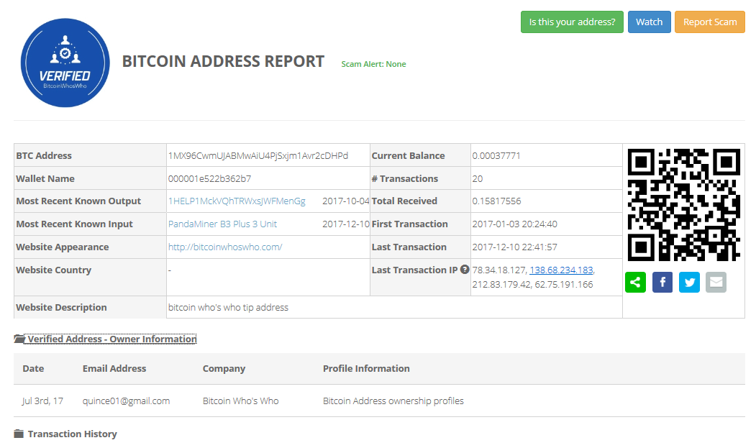
Address detail page |  | http://bitcoinwhoswho.com/address/1MX96CwmUJABMwAiU4PjSxjm1Avr2cDHPd | Retreving address information from bitcoinwhoswho.com
 | Scam Alert | None
 | Address | 1MX96CwmUJABMwAiU4PjSxjm1Avr2cDHPd
 | Wallet Name | 000001e522b362b7
 | Most Recent Known Output | 1HELP1MckVQhTRWxsJWFMenGg (2017-10-04) | Link to address: http://bitcoinwhoswho.com/address/1HELP1MckVQhTRWxsJWFMenGgUWzouLLfD
 | Most Recent Known Input | PandaMiner B3 Plus 3 Unit (2017-12-10) | Link to address: https://bitcointalk.org/index.php?topic=1933985.0
 | Website | http://bitcoinwhoswho.com/
 | Website Country | -
 | Website Description | bitcoin who's who tip address
 | Current Balance | 0.00037771
 | Txn No | 20
 | Total Received | 0.15817556
 | First Txn | 2017-01-03 20:24:40
 | Last Txn | 2017-12-10 22:41:57
Owner Information | Date | Jul 3rd, 17
 | Email Address | quince01@gmail.com
 | Company | Bitcoin Who's Who
 | Profile Information | Bitcoin Address ownership profiles

github.com
Information to Collect | Data Field | Exemplary Data Entry | Comment
GitHub homepage |  | https://github.com/aragon | Use token name accessing GitHub homepage
 | Token Name | Aragon
 | Description | Unstoppable organizations. We do fun experiments too @aragonlabs
 | Location | Decentralized
 | Homepage | https://aragon.one
 | Repository Link(s) | https://github.com/aragon/aragon
 | People Link(s) | https://github.com/bpierre
 | Top languages | JavaScript, HTML, PHP, CSS
 | Topics | ethereum, aragon, blockchain, dapp, aragon-boilerplate
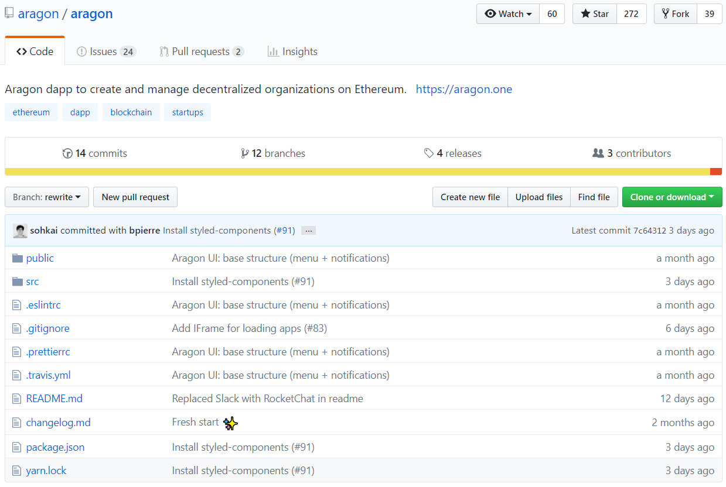
Repository link |  | https://github.com/aragon/aragon
 | Watch | 60 | Link to list of watchers: https://github.com/aragon/aragon/watchers
 | Star | 272 | Link to list of stargazers: https://github.com/aragon/aragon/stargazers
 | Fork | 39 | Link to list of forkers: https://github.com/aragon/aragon/network/members
 | Tags | ethereum, dapp, blockchain, startups
 | Commits | 14
 | Branches | 12
 | Releases | 4
 | Contributors | 3
 | Repository | Pull all files from the repository
Link to all branches |  | https://github.com/aragon/aragon/branches/all
Link to each branch |  | https://github.com/aragon/aragon/tree/add-styled-components
 | Timestamp | Jan 18, 2018, 4:36 PM GMT+1
 | Updater | bpierre
 | Successful Checks | 1
 | Errored Checks | 1
 | Commits Ahead | 1 | Set 0 for Default
 | Commits Behind | 2 | Set 0 for Default
 | Pull Request | https://github.com/aragon/aragon/pull/91 | Set empty for Default
 | Status | Merged | None, Open, or Merged
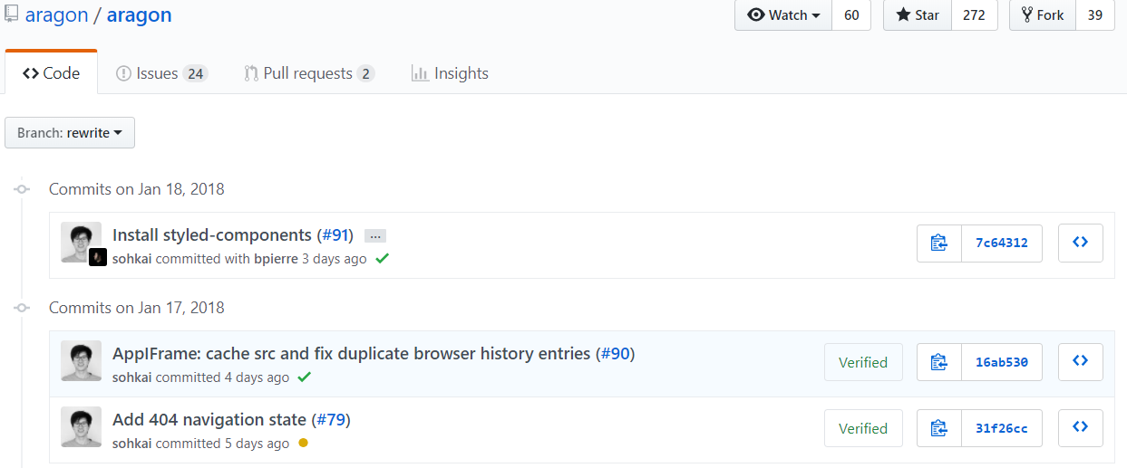
Link to commits of each branch |  | https://github.com/aragon/aragon/commits/rewrite
Commit item
 | Title | AppIFrame: cache src and fix duplicate browser history entries
 | Pull Request | 90
 | Branch | rewrite
 | Committer(s) | sohkai
 | Timestamp | Jan 17, 2018, 10:52 PM GMT+1
 | Status | Success | Success, Failure, or Pending
 | Verified | TRUE | True or False
 | Change Log | https://github.com/aragon/aragon/commit/7c64312aa08ead7ab77529a10e1a8a8a69dc9ced
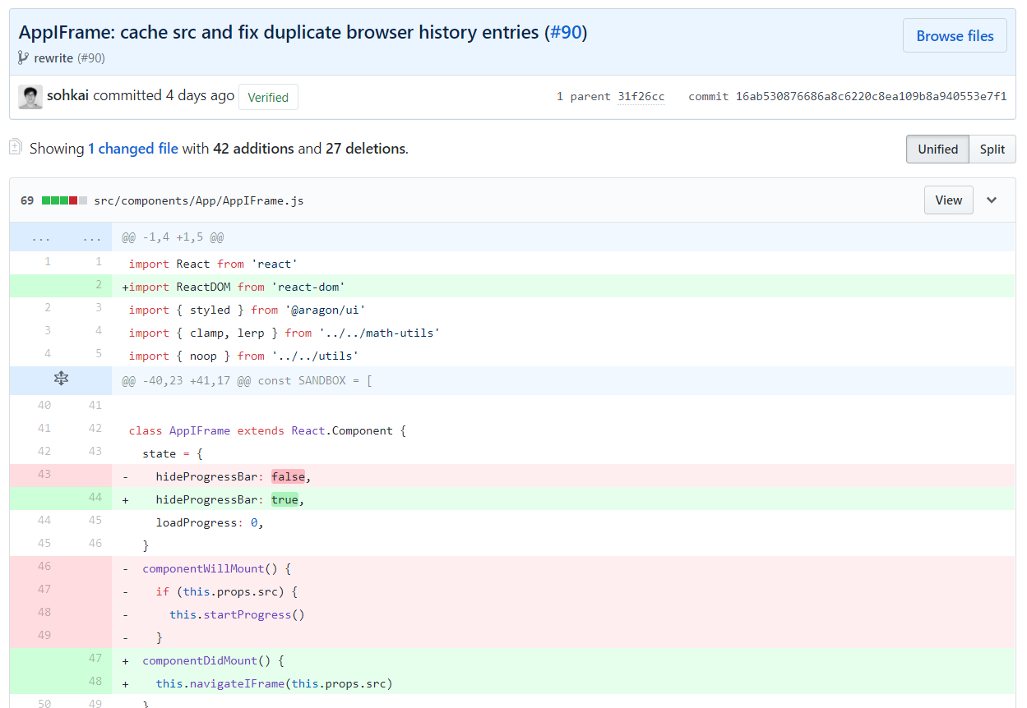
Changed files |  | https://github.com/aragon/aragon/commit/7c64312aa08ead7ab77529a10e1a8a8a69dc9ced
 | Parent | https://github.com/aragon/aragon/commit/31f26ccf7c2ee57c19e48b6e3e16172c512e2586
 | Chenged Files | 1
 | Total Additions | 42
 | Total Deletions | 27
Line changes | Directory | src/components/App/AppIFrame.js
 | Additions | 42
 | Deletions | 27
 | Added line(s) | 2
 | Added content | import ReactDOM from 'react-dom'
 | Deleted line(s) | 43
 | Delete content | hideProgressBar: false,
Contributor profile |  | https://github.com/izqui
 | Picture | Download the profile picture
 | Name | Jorge Izquierdo
 | User Name | izqui
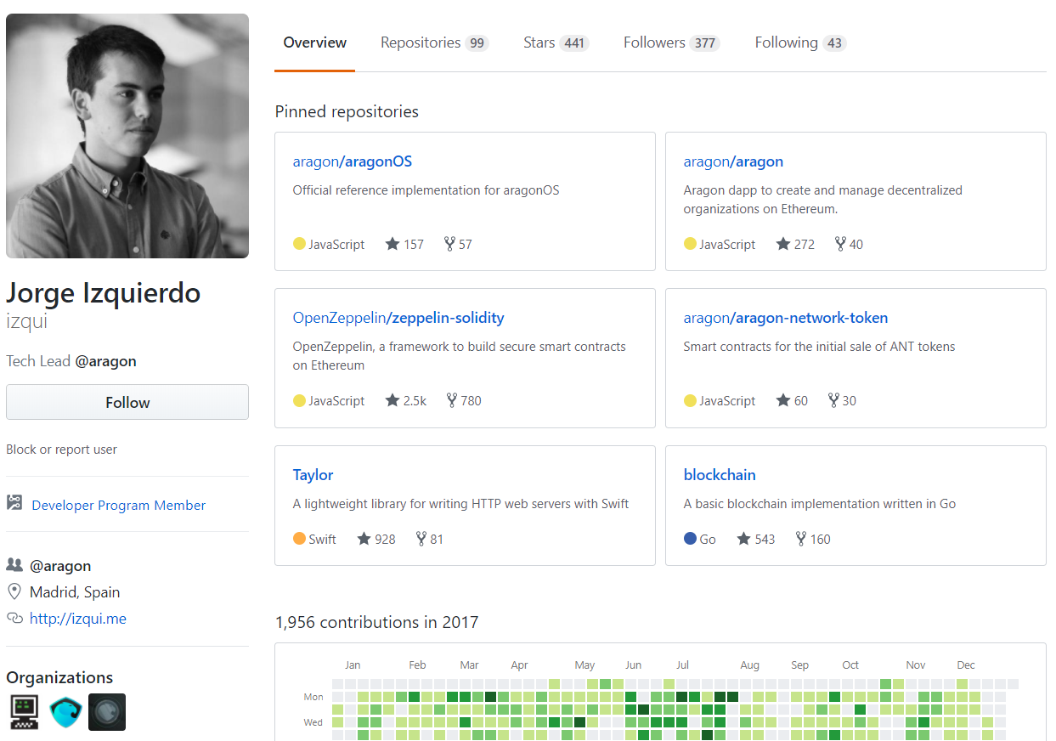
 | Description | Tech Lead '@aragon
 | Membership | Developer Program Member
 | Affiliation | aragon | Link to affiliation: https://github.com/aragon
 | Location | Madrid, Spain
 | Personal Site | http://izqui.me
 | Organizations | recursecenter, aragon, aragonlabs
 | Repositories | 99
 | Stars | 441
 | Followers | 377
 | Following | 43
 | Repository Link | https://github.com/izqui?tab=repositories
 | Star Link | https://github.com/izqui?tab=stars
 | Follower Link | https://github.com/izqui?tab=followers
 | Following Link | https://github.com/izqui?tab=following

